Instructions
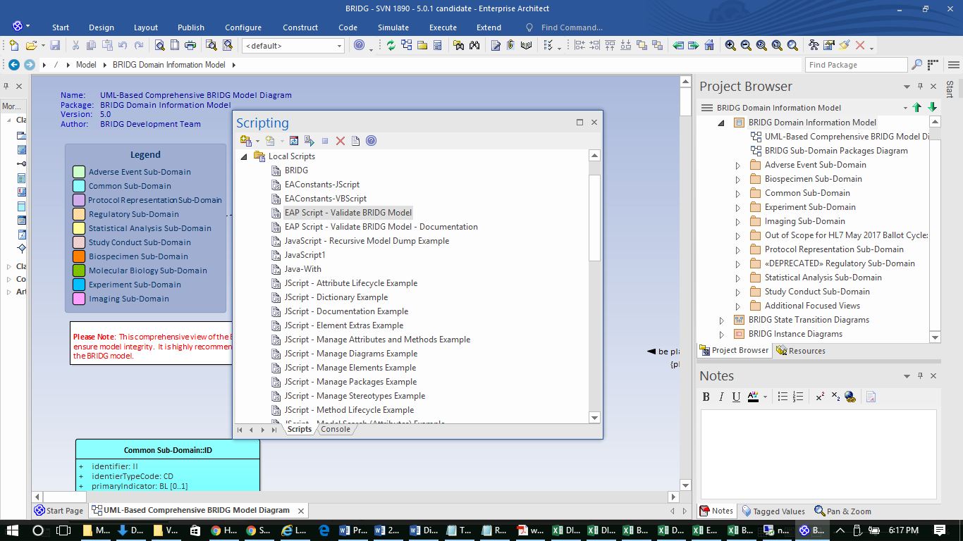
How to run script (EA version 13)
Copy script to C:\ Program Files \ Sparx Systems \ EA \ Scripts \ VBScripts
(If you have Sparx System apps installed in a different directory, e.g. "ProgramFile (x86)", use that instead)
Open the BRIDG file to be validated in Enterprise Architect
In the "Find Command" field on menu bar, enter "Scripting" and hit Return (opens scripting window) or from the main menu select Tools > Scripting
Expand “Local Scripts”
To view the script, double-click “EAP Script – Validate BRIDG Model”, or
To run the script, CNTL-double-click “EAP Script – Validate BRIDG Model”
The script generates an Excel file and dumps the validation messages into that - it may take a minute or so to finish.
FYI: Some messages listed as Error may actually be OK to ignore, for instance the color coding validation is not working properly on the Biospecimen Sub-Domain.

 | Find Command is here
 | V

